Wine
Retail Price Estimate Tool produces Estimates Only

Enter Variables in ALL BLUE boxes only:
Type of Wine |  |  |  | PRICING BREAK DOWN: |  | Comments/Notes
Trade Deal |  |  |  | Supplier Quote (CDN) | $0.0000
COSD Region |  |  |  | Duty | #VALUE!
Supplier Quote |  |  |  | Excise | 0.0000
Exchange Rate |  |  |  | Freight Rate | 0.0000
Freight Rate |  |  |  | Landed Cost | #VALUE!
Selling Unit Size (litres) |  |  |  | Mark up | #VALUE!
Units per Case |  |  |  | Wine Levy | 0.0000
Containers/Selling Unit |  |  |  | Sub-Total (case) | #VALUE!
Alcohol Percentage |  | Check UnRounded Retail
FINAL RETAIL | #VALUE! | #VALUE! | #VALUE! | Sub-Total (selling unit) | #VALUE!
 |  |  |  | Volume Levy | 0.0000
Excise Rate | - |  |  | COSD Amount | 0.0000
Duty Rate | #VALUE! |  |  | Environmental Fee | 0
COSD Rate | 0.6753 |  |  | Basic Price (not rounded) | #VALUE!
Wine Levy ($/L) | - |  |  | HST | #VALUE!
Volume Levy ($/L) | 0.2900 | Check Mark Up |  | Retail (not rounded) | #VALUE!
Mark-Up | 139.70% | #VALUE! | #VALUE! | Rounded Retail: Basic Price | #VALUE!
Environmental Fee | 0.08930 |  |  | HST | #VALUE!
HST | 13.00% |  |  | Retail | #VALUE!
Container Deposit Rate | #DIV/0! |  |  | Container Deposit | #DIV/0!
Litres of absolute alcohol | - |  |  | FINAL RETAIL PRICE | #VALUE!

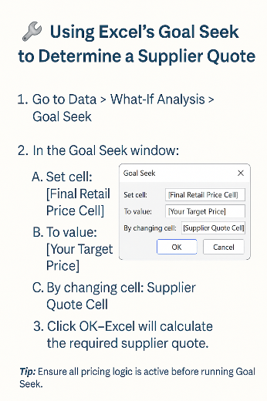
 |  |  |  | Validate if final retail price Minimum Retail Price - MRP Index Factor
 |  |  |  | LCBOPricingHelpfulToolsandLinks | Doing Business with LCBO

Contact Info
Contact Information & Helpful Links
Pricing Inquiries | pricing@lcbo.com
Freight Rate Inquiry | freightrate.inquiry@lcbo.com
Certificate of Origins Submission and Inquiries | origin.certificates@lcbo.com
Customs Department | Customs.Department@lcbo.com
Customs Free Trade Agreement (FTA) hub - Forms and Resurces | FTA Resource Hub
Price Estimate Tool | Price Estimation Tool
Links to Standard Freight Rates, Exchange Rates, MRP Lists & other useful resources | Doing Business with LCBO
Quote Change Schedule | Quote Change Schedule
Quote Submission Forms | LCBOPricingHelpfulToolsandLinks | Doing Business with LCBO
New Item pricing and set up - please contact the appropriate category team for more details on this process
List of countries under regions of origin used for determining COSD rates | Excise COSD Effective April 1 2021 | Doing Business with LCBO
Excise Rates | https://www.canada.ca/en/revenue-agency/services/forms-publications/publications/edrates/excise-duty-rates.html
Container Deposit Rates | https://www.ontario.ca/laws/regulation/210745#BK18

